Sheet1
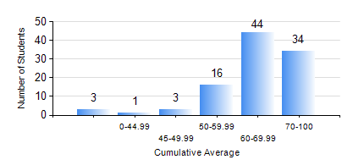
 |  |  | KWAME NKRUMAH UNIVERSITY OF SCIENCE AND TECHNOLOGY, KUMASI Department of Chemical Engineering

 |  |  | BSC. PETROCHEMICAL ENG.

 |  |  | COMPREHENSIVE RECORD OF EXAMINATION RESULTS

 |  |  | RESULTS OF YEAR 2 SECOND SEMESTER, 2019/2020 ACADEMIC YEAR

 | Sn | Course Code |  | Course Name | Credit Hours | Min. Mark | Max. Mark | Avg. Mark | Std. Dev. | No. Passed | No. Trailed | No. (Df) | No. (I) | No. (I*) | No. Tagged(I,I*,Df) | Total
 | 0. |  |  |  |  |  |  | 0 | 0 | 0 | 0 | 0 | 0 | 0 | 0 | 6
 | 1. | CHE 250 |  | STRENGTH OF MATERIALS FOR CHEMICAL ENGINEERS | 2 | 23 | 97 | 80 | 12.28 | 94 | 1 | 0 | 0 | 0 | 0 | 95
 | 2. | CHE 252 |  | CHEMICAL PROCESS CALCULATIONS II | 2 | 50 | 87 | 78 | 7.28 | 95 | 0 | 0 | 0 | 0 | 0 | 95
 | 3. | CHE 254 |  | CHEMICAL ENGINEERING THERMODYNAMICS II | 2 | 38 | 83 | 72 | 9.75 | 94 | 1 | 0 | 0 | 0 | 0 | 95
 | 4. | CHE 256 |  | HEAT TRANSPORT PROCESSES | 3 | 26 | 83 | 58 | 11.93 | 92 | 3 | 0 | 0 | 0 | 0 | 95
 | 5. | CHE 258 |  | DRAWING FOR ENGINEERS | 2 | 17 | 84 | 66 | 9.87 | 94 | 1 | 0 | 0 | 0 | 0 | 95
 | 6. | CHEM 280 |  | PRACTICAL CHEMISTRY II | 3 | 41 | 85 | 79 | 5.96 | 95 | 0 | 0 | 0 | 0 | 0 | 95
 | 7. | MATH 252 |  | CALCULUS OF SEVERAL VARIABLES | 4 | 51 | 79 | 69 | 5.26 | 95 | 0 | 0 | 0 | 0 | 0 | 95

